Reflections
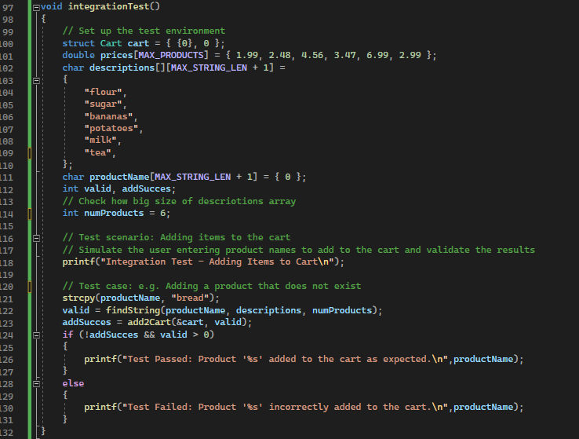
Reflections

Q1 | Q2
It seems Black-box testing may be easier to develop because it focuses primarily on inputs, outputs, and expected behavior, which can be derived from functional requirements or specifications, we do not need for detailed knowledge of the code implementation, allowing for faster test case development. White-box testing requires a deeper understanding of the inner workings of the code, so it take more time for analysis and designing specific test cases. Also it could need extra code to test each small function of the bundary. But both of test should come to together since they are valuable, they serve different purposes and complement each other. | To set up integration tests for the functions, we would need to test their interactions and functionality when used together as a part of the overall system. We need to determine which functions need to be integrated, identify their dependencies, and identify specific test scenarios that involve the integration of these functions. Then start creating the necessary test environment, including any required data structures or variables. After the environment is set up, we can call the functions and simulate the integration by invoking them in the appropriate sequence and providing the necessary inputs based on the defined test scenarios. It takes different amounts of time depending on how familiar the developer is with the programme.

Q3

